Sheet1


M/S Saeed Sons |  |  |  |  | 2-Jan-24

PO # MZN-1536
Att: Mr. Sheeraz

PURCHASE ORDER against quote Ref # 14695

Supply of Pipes for the project (Meezan Bank Head Office)
S No. | D e s c r i p t i o n | Qty | Unit | Rate | Amount
 | Brand: PROTEK |  |  |  |  |  | fakhri | saeed
1 | M.S. SEAMLESS PIPE SCH-40 SIZE 8"Ø | 180 | RFt | 5,300 | 954,000 | 424 | 4,876 | 5,300
2 | M.S. SEAMLESS PIPE SCH-40 SIZE 6"Ø | 60 | RFt | 3,370 | 202,200 | 270 | 3,100 | 3,370
3 | M.S. SEAMLESS PIPE SCH-40 SIZE 2-1/2"Ø | 20 | RFt | 1,075 | 21,500 | 86 | 989 | 1,075
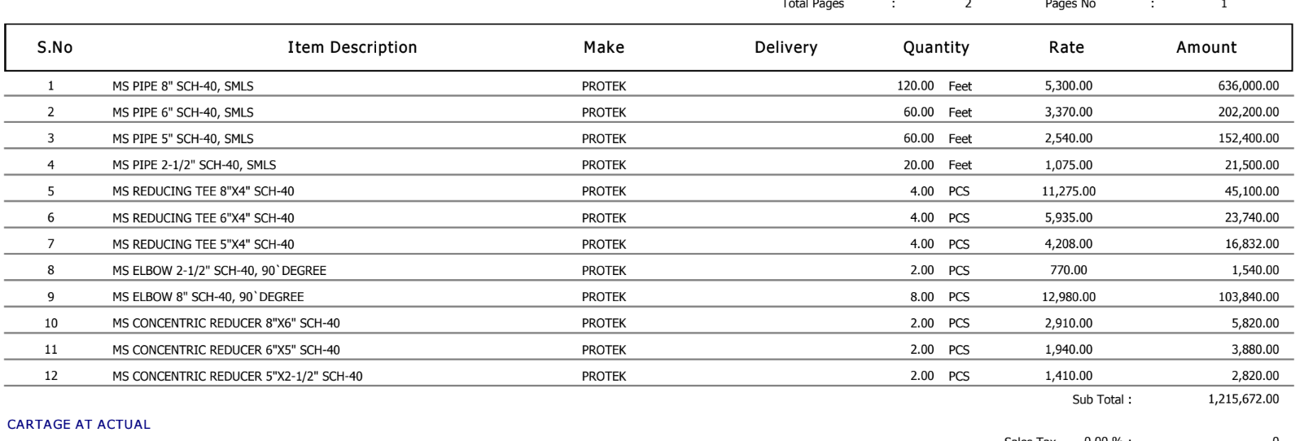
 |  | TOTAL: |  |  | 1,177,700
Discount 2% |  |  |  |  | 23,554
Total amount |  |  |  |  | 1,154,146

for IK Associates

